Sheet1
Name: | Steve Wilben R. Saceda | Exercise/Laboratory: | ServiceNow Lab Exercise 1
Block/Section: | G2 | Date: | September 11, 2023
Github Repository Link:

1 Create New Application
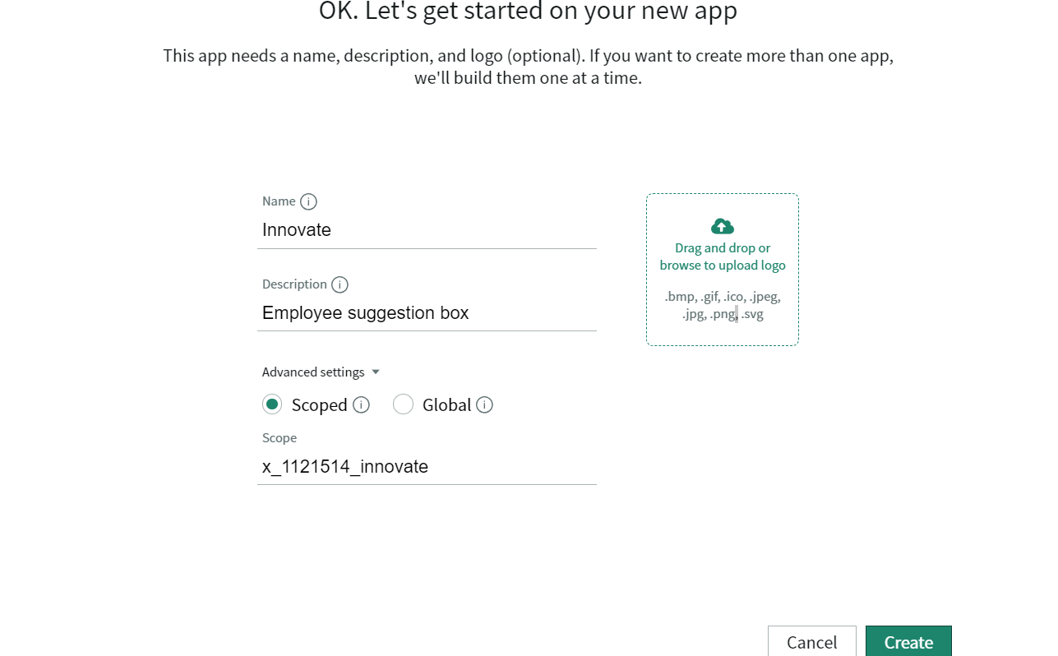

2 Create an Employee Role
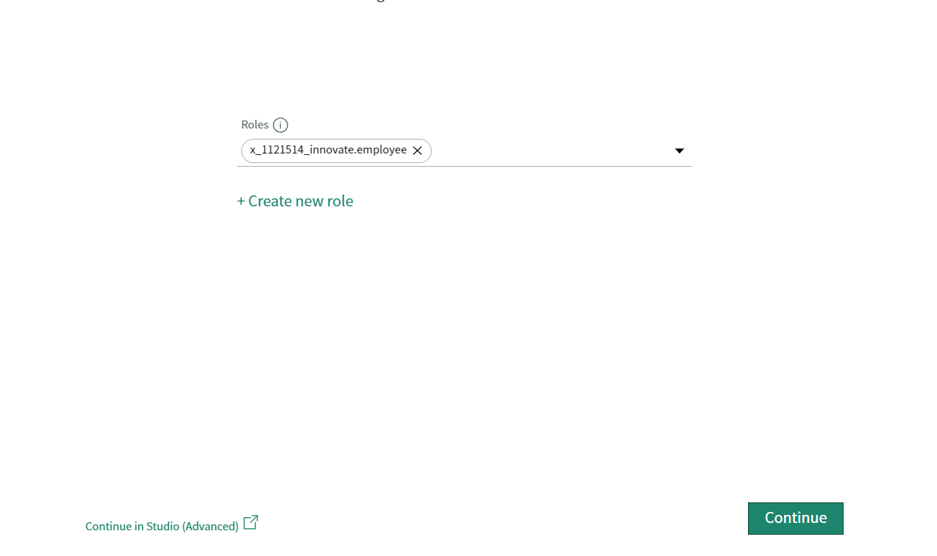

3 Add a Table in Innovate application
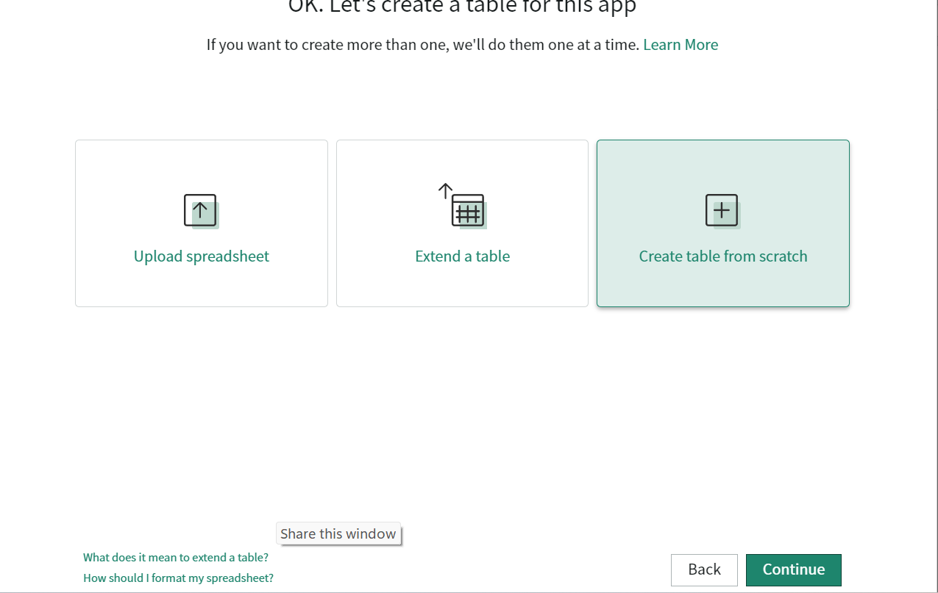

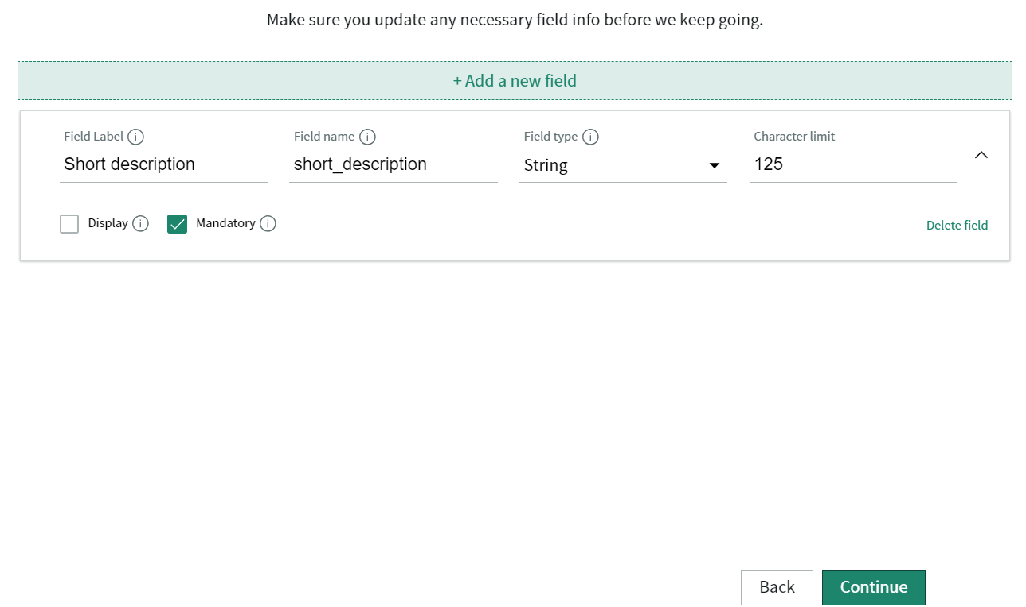

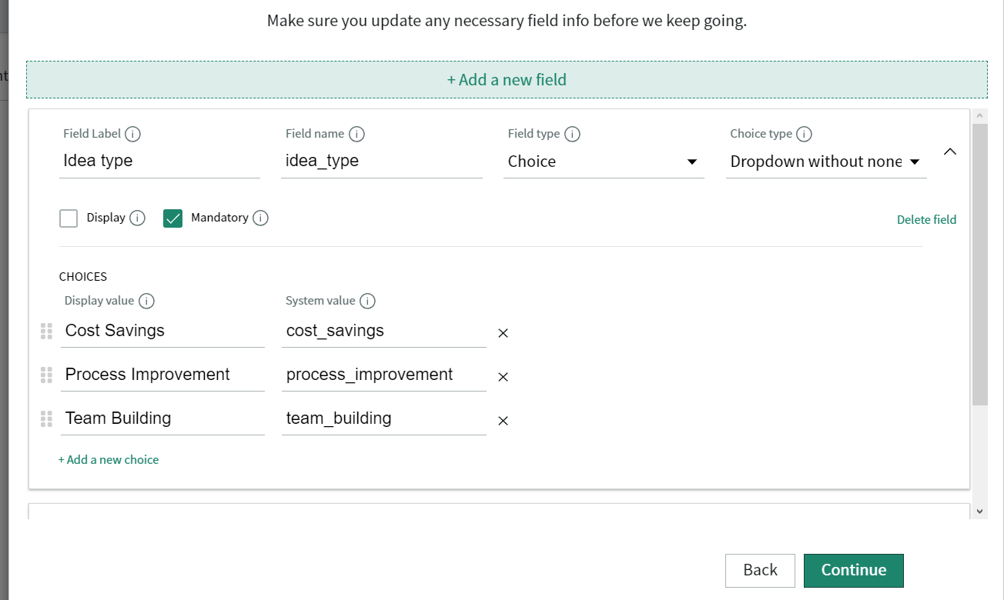

4 Add a Table To Innovate Application
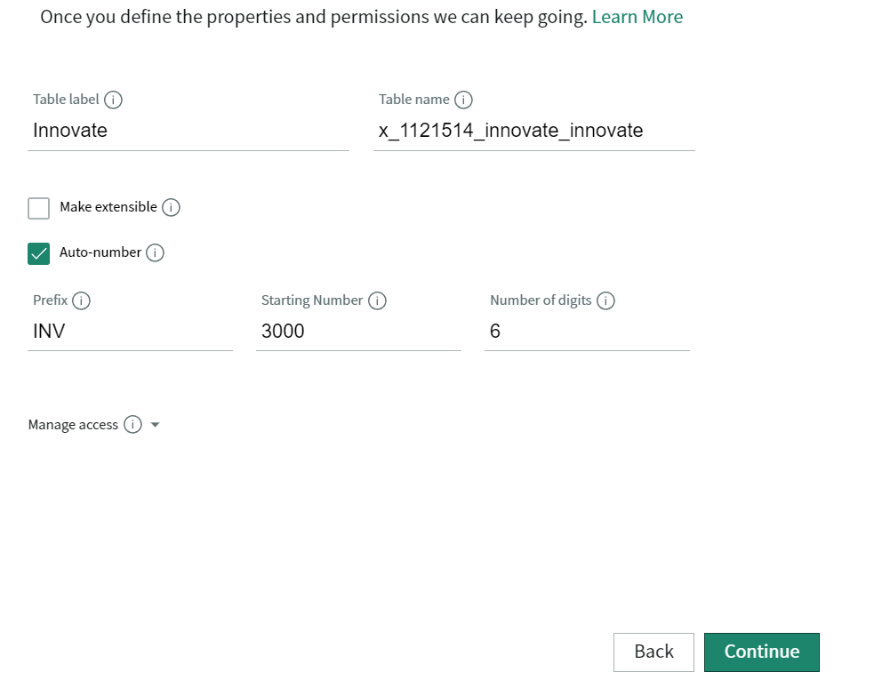

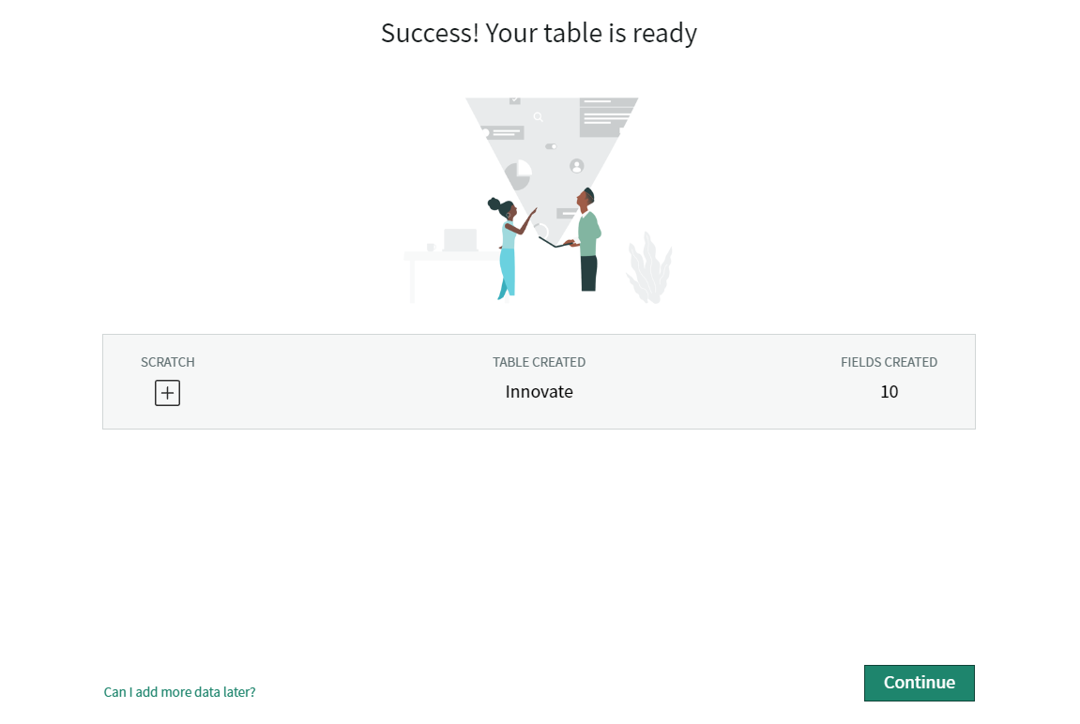

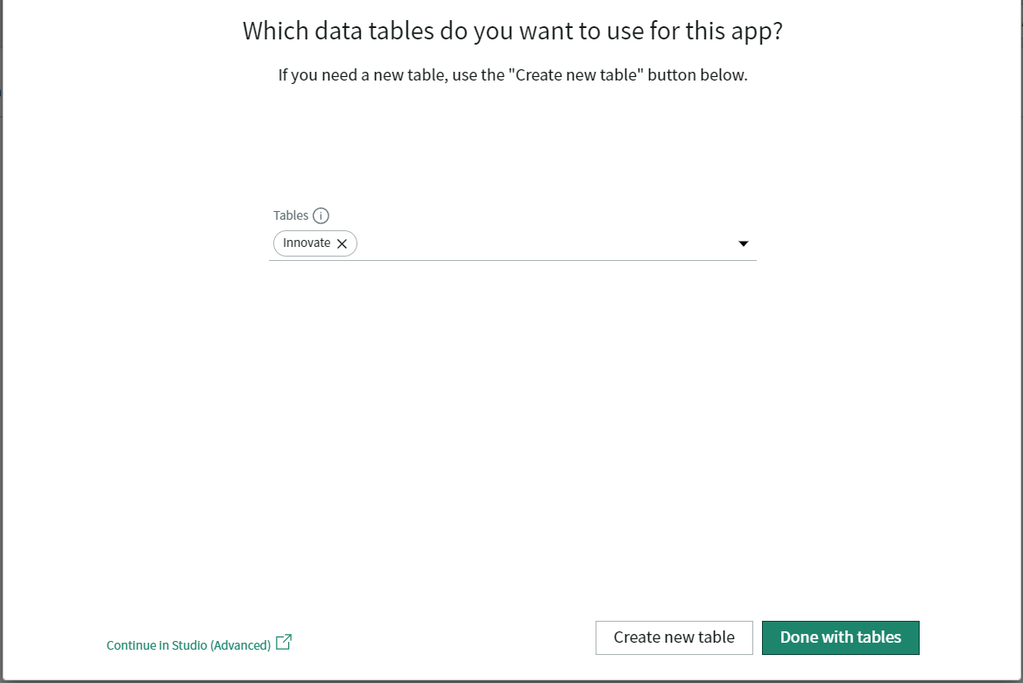

5 Examine the Innovate Application
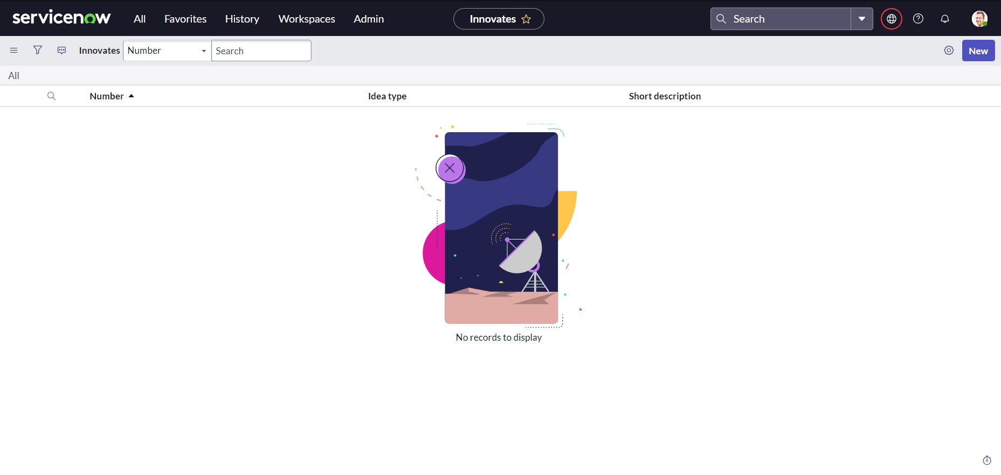

6 Create New Record

